SCCP cal_1
SCCP
 |  |  |  |  |  |  |  |  |  |  |  |  | 220915_Blank_1 | 220915_1 | 220915_2 | 220915_3 | 220915_4 | 220915_5 | 220915_6 | 220915_7 | 220915_8 | 220915_9
Sample ID |  | STD1 | STD2 | STD3 | STD4 | STD5 | STD6 | STD7 | STD8 | STD9 |  |  | Sample01 | Sample02 | Sample03 | Sample04 | Sample05 | Sample06 | Sample07 | Sample08 | Sample09 | Sample10 | STD5
Sample name | IDL | SCCP-MIX-CS1 | SCCP-MIX-CS2 | SCCP-MIX-CS3 | SCCP-MIX-CS4 | SCCP-MIX-CS5 | SCCP-MIX-CS6 | SCCP-MIX-CS7 | SCCP-MIX-CS8 | SCCP-MIX-CS9 |  | MDL |  |  |  |  |  |  |  |  |  |  | SCCP-MIX-CS5
Sample | 1 | 1 | 1 | 1 | 1 | 1 | 1 | 1 | 1 | 1 |  | 0.2 | 0.2 | 0.2 | 0.2 | 0.2 | 0.2 | 0.2 | 0.2 | 0.2 | 0.2 | 0.2 | 1
Extract-1 | 1 | 1 | 1 | 1 | 1 | 1 | 1 | 1 | 1 | 1 |  | 10 | 10 | 10 | 10 | 10 | 10 | 10 | 10 | 10 | 10 | 10 | 1
Extract-2 | 1 | 1 | 1 | 1 | 1 | 1 | 1 | 1 | 1 | 1 |  | 0.5 | 0.5 | 0.5 | 0.5 | 0.5 | 0.5 | 0.5 | 0.5 | 0.5 | 0.5 | 0.5 | 1
LC vial | 1 | 1 | 1 | 1 | 1 | 1 | 1 | 1 | 1 | 1 |  | 1 | 1 | 1 | 1 | 1 | 1 | 1 | 1 | 1 | 1 | 1 | 1
D18-HBCD (μg/mL) | 0.15 | 0.15 | 0.15 | 0.15 | 0.15 | 0.15 | 0.15 | 0.15 | 0.15 | 0.15 |  | 0.15 | 0.3 | 0.3 | 0.3 | 0.3 | 0.3 | 0.3 | 0.3 | 0.3 | 0.3 | 0.3 | 0.15
Unit | μg/mL | μg/mL | μg/mL | μg/mL | μg/mL | μg/mL | μg/mL | μg/mL | μg/mL | μg/mL |  | μg/g | μg/g | μg/g | μg/g | μg/g | μg/g | μg/g | μg/g | μg/g | μg/g | μg/g | μg/mL
C10_Cl4 | 0.05 | 0 | 0 | 0 | 0 | 0 | 0 | 0 | 0 | 0 |  | 5 | 0 | 0 | 0 | 0 | 0 | 0 | 0 | 0 | 0 | 0 | 0
C10_Cl5 | 0.02 | 0 | 0 | 0 | 0 | 0 | 0 | 0 | 0 | 0 |  | 2 | 0 | 0 | 0 | 0 | 0 | 0 | 0 | 0 | 0 | 0 | 0
C10_Cl6 | 0.02 | 0 | 0 | 0 | 0 | 0 | 0 | 0 | 0 | 0 |  | 2 | 0 | 0 | 0 | 0 | 0 | 0 | 0 | 0 | 0 | 0 | 0
C10_Cl7 | 0.005 | 0 | 0 | 0 | 0 | 0 | 0 | 0 | 0 | 0 |  | 0.5 | 0 | 0 | 0 | 0 | 0 | 0 | 0 | 0 | 0 | 0 | 0
C10_Cl8 | 0.002 | 0 | 0 | 0 | 0 | 0 | 0 | 0 | 0 | 0 |  | 0.2 | 0 | 0 | 0 | 0 | 0 | 0 | 0 | 0 | 0 | 0 | 0
C11_Cl4 | 0.02 | 0 | 0 | 0 | 0 | 0 | 0 | 0 | 0 | 0 |  | 2 | 0 | 0 | 0 | 0 | 0 | 0 | 0 | 0 | 0 | 0 | 0
C11_Cl5 | 0.005 | 0 | 0 | 0 | 0 | 0 | 0 | 0 | 0 | 0 |  | 0.5 | 0 | 0 | 0 | 0 | 0 | 0 | 0 | 0 | 0 | 0 | 0
C11_Cl6 | 0.002 | 0 | 0 | 0 | 0 | 0 | 0 | 0 | 0 | 0 |  | 0.2 | 0 | 0 | 0 | 0 | 0 | 0 | 0 | 0 | 0 | 0 | 0
C11_Cl7 | 0.002 | 0 | 0 | 0 | 0 | 0 | 0 | 0 | 0 | 0 |  | 0.2 | 0 | 0 | 0 | 0 | 0 | 0 | 0 | 0 | 0 | 0 | 0
C11_Cl8 | 0.002 | 0 | 0 | 0 | 0 | 0 | 0 | 0 | 0 | 0 |  | 0.2 | 0 | 0 | 0 | 0 | 0 | 0 | 0 | 0 | 0 | 0 | 0
C11_Cl9 | 0.002 | 0 | 0 | 0 | 0 | 0 | 0 | 0 | 0 | 0 |  | 0.2 | 0 | 0 | 0 | 0 | 0 | 0 | 0 | 0 | 0 | 0 | 0
C12_Cl4 | 0.01 | 0 | 0 | 0 | 0 | 0 | 0 | 0 | 0 | 0 |  | 1 | 0 | 0 | 0 | 0 | 0 | 0 | 0 | 0 | 0 | 0 | 0
C12_Cl5 | 0.005 | 0 | 0 | 0 | 0 | 0 | 0 | 0 | 0 | 0 |  | 0.5 | 0 | 0 | 0 | 0 | 0 | 0 | 0 | 0 | 0 | 0 | 0
C12_Cl6 | 0.002 | 0 | 0 | 0 | 0 | 0 | 0 | 0 | 0 | 0 |  | 0.2 | 0 | 0 | 0 | 0 | 0 | 0 | 0 | 0 | 0 | 0 | 0
C12_Cl7 | 0.002 | 0 | 0 | 0 | 0 | 0 | 0 | 0 | 0 | 0 |  | 0.2 | 0 | 0 | 0 | 0 | 0 | 0 | 0 | 0 | 0 | 0 | 0
C12_Cl8 | 0.002 | 0 | 0 | 0 | 0 | 0 | 0 | 0 | 0 | 0 |  | 0.2 | 0 | 0 | 0 | 0 | 0 | 0 | 0 | 0 | 0 | 0 | 0
C12_Cl9 | 0.002 | 0 | 0 | 0 | 0 | 0 | 0 | 0 | 0 | 0 |  | 0.2 | 0 | 0 | 0 | 0 | 0 | 0 | 0 | 0 | 0 | 0 | 0
C12_Cl10 | 0.002 | 0 | 0 | 0 | 0 | 0 | 0 | 0 | 0 | 0 |  | 0.2 | 0 | 0 | 0 | 0 | 0 | 0 | 0 | 0 | 0 | 0 | 0
C13_Cl4 | 0.005 | 0 | 0 | 0 | 0 | 0 | 0 | 0 | 0 | 0 |  | 0.5 | 0 | 0 | 0 | 0 | 0 | 0 | 0 | 0 | 0 | 0 | 0
C13_Cl5 | 0.002 | 0 | 0 | 0 | 0 | 0 | 0 | 0 | 0 | 0 |  | 0.2 | 0 | 0 | 0 | 0 | 0 | 0 | 0 | 0 | 0 | 0 | 0
C13_Cl6 | 0.002 | 0 | 0 | 0 | 0 | 0 | 0 | 0 | 0 | 0 |  | 0.2 | 0 | 0 | 0 | 0 | 0 | 0 | 0 | 0 | 0 | 0 | 0
C13_Cl7 | 0.002 | 0 | 0 | 0 | 0 | 0 | 0 | 0 | 0 | 0 |  | 0.2 | 0 | 0 | 0 | 0 | 0 | 0 | 0 | 0 | 0 | 0 | 0
C13_Cl8 | 0.002 | 0 | 0 | 0 | 0 | 0 | 0 | 0 | 0 | 0 |  | 0.2 | 0 | 0 | 0 | 0 | 0 | 0 | 0 | 0 | 0 | 0 | 0
C13_Cl9 | 0.002 | 0 | 0 | 0 | 0 | 0 | 0 | 0 | 0 | 0 |  | 0.2 | 0 | 0 | 0 | 0 | 0 | 0 | 0 | 0 | 0 | 0 | 0
C13_Cl10 | 0.002 | 0 | 0 | 0 | 0 | 0 | 0 | 0 | 0 | 0 |  | 0.2 | 0 | 0 | 0 | 0 | 0 | 0 | 0 | 0 | 0 | 0 | 0
C10_Cl4-8 |  | 0 | 0 | 0 | 0 | 0 | 0 | 0 | 0 | 0 |  | 10 | 0 | 0 | 0 | 0 | 0 | 0 | 0 | 0 | 0 | 0 | 0
C11_Cl4-9 |  | 0 | 0 | 0 | 0 | 0 | 0 | 0 | 0 | 0 |  | 5 | 0 | 0 | 0 | 0 | 0 | 0 | 0 | 0 | 0 | 0 | 0
C12_Cl4-10 |  | 0 | 0 | 0 | 0 | 0 | 0 | 0 | 0 | 0 |  | 5 | 0 | 0 | 0 | 0 | 0 | 0 | 0 | 0 | 0 | 0 | 0
C13_Cl4-10 |  | 0 | 0 | 0 | 0 | 0 | 0 | 0 | 0 | 0 |  | 2 | 0 | 0 | 0 | 0 | 0 | 0 | 0 | 0 | 0 | 0 | 0
SCCP |  | 0 | 0 | 0 | 0 | 0 | 0 | 0 | 0 | 0 |  | 25 | 0 | 0 | 0 | 0 | 0 | 0 | 0 | 0 | 0 | 0 | 0
%Cl |  | 0.0 | 0.0 | 0.0 | 0.0 | 0.0 | 0.0 | 0.0 | 0.0 | 0.0 |  | - | - | - | - | - | - | - | - | - | - | - | -

Concentrations of target compounds in sample
Unit | μg/mL | μg/mL | μg/mL | μg/mL | μg/mL | μg/mL | μg/mL | μg/mL | μg/mL | μg/mL |  | μg/g | μg/g | μg/g | μg/g | μg/g | μg/g | μg/g | μg/g | μg/g | μg/g | μg/g | μg/mL
C10_Cl4 | 0.05 | 0 | 0 | 0 | 0 | 0 | 0 | 0 | 0 | 0 |  | 5 | 0 | 0 | 0 | 0 | 0 | 0 | 0 | 0 | 0 | 0 | 0
C10_Cl5 | 0.02 | 0 | 0 | 0 | 0 | 0 | 0 | 0 | 0 | 0 |  | 2 | 0 | 0 | 0 | 0 | 0 | 0 | 0 | 0 | 0 | 0 | 0
C10_Cl6 | 0.02 | 0 | 0 | 0 | 0 | 0 | 0 | 0 | 0 | 0 |  | 2 | 0 | 0 | 0 | 0 | 0 | 0 | 0 | 0 | 0 | 0 | 0
C10_Cl7 | 0.005 | 0 | 0 | 0 | 0 | 0 | 0 | 0 | 0 | 0 |  | 0.5 | 0 | 0 | 0 | 0 | 0 | 0 | 0 | 0 | 0 | 0 | 0
C10_Cl8 | 0.002 | 0 | 0 | 0 | 0 | 0 | 0 | 0 | 0 | 0 |  | 0.2 | 0 | 0 | 0 | 0 | 0 | 0 | 0 | 0 | 0 | 0 | 0
C11_Cl4 | 0.02 | 0 | 0 | 0 | 0 | 0 | 0 | 0 | 0 | 0 |  | 2 | 0 | 0 | 0 | 0 | 0 | 0 | 0 | 0 | 0 | 0 | 0
C11_Cl5 | 0.005 | 0 | 0 | 0 | 0 | 0 | 0 | 0 | 0 | 0 |  | 0.5 | 0 | 0 | 0 | 0 | 0 | 0 | 0 | 0 | 0 | 0 | 0
C11_Cl6 | 0.002 | 0 | 0 | 0 | 0 | 0 | 0 | 0 | 0 | 0 |  | 0.2 | 0 | 0 | 0 | 0 | 0 | 0 | 0 | 0 | 0 | 0 | 0
C11_Cl7 | 0.002 | 0 | 0 | 0 | 0 | 0 | 0 | 0 | 0 | 0 |  | 0.2 | 0 | 0 | 0 | 0 | 0 | 0 | 0 | 0 | 0 | 0 | 0
C11_Cl8 | 0.002 | 0 | 0 | 0 | 0 | 0 | 0 | 0 | 0 | 0 |  | 0.2 | 0 | 0 | 0 | 0 | 0 | 0 | 0 | 0 | 0 | 0 | 0
C11_Cl9 | 0.002 | 0 | 0 | 0 | 0 | 0 | 0 | 0 | 0 | 0 |  | 0.2 | 0 | 0 | 0 | 0 | 0 | 0 | 0 | 0 | 0 | 0 | 0
C12_Cl4 | 0.01 | 0 | 0 | 0 | 0 | 0 | 0 | 0 | 0 | 0 |  | 1 | 0 | 0 | 0 | 0 | 0 | 0 | 0 | 0 | 0 | 0 | 0
C12_Cl5 | 0.005 | 0 | 0 | 0 | 0 | 0 | 0 | 0 | 0 | 0 |  | 0.5 | 0 | 0 | 0 | 0 | 0 | 0 | 0 | 0 | 0 | 0 | 0
...
 |  |  |  |  |  |  |  |  |  |  |  |  | 220915_Blank_1 | 220915_1 | 220915_2 | 220915_3 | 220915_4
Sample ID |  | STD1 | STD2 | STD3 | STD4 | STD5 | STD6 | STD7 | STD8 | STD9 |  |  | Sample01 | Sample02 | Sample03 | Sample04 | Sample05
C12_08Cl |  |  |  |  |  |  |  |  |  |  | #DIV/0! | #DIV/0!
C12_09Cl |  |  |  |  |  |  |  |  |  |  | #DIV/0! | #DIV/0!
C12_10Cl |  |  |  |  |  |  |  |  |  |  | #DIV/0! | #DIV/0!
C13_04Cl |  |  |  |  |  |  |  |  |  |  | #DIV/0! | #DIV/0!
C13_05Cl |  |  |  |  |  |  |  |  |  |  | #DIV/0! | #DIV/0!
C13_06Cl |  |  |  |  |  |  |  |  |  |  | #DIV/0! | #DIV/0!
C13_07Cl |  |  |  |  |  |  |  |  |  |  | #DIV/0! | #DIV/0!
C13_08Cl |  |  |  |  |  |  |  |  |  |  | #DIV/0! | #DIV/0!
C13_09Cl |  |  |  |  |  |  |  |  |  |  | #DIV/0! | #DIV/0!
C13_10Cl |  |  |  |  |  |  |  |  |  |  | #DIV/0! | #DIV/0!
 | 1 | 1 | 1 | 1
 |  | C10 | C11 | C12 | C13
 | Cl4 | #DIV/0! | #DIV/0! | #DIV/0! | #DIV/0!
 | Cl5 | #DIV/0! | #DIV/0! | #DIV/0! | #DIV/0!
 | Cl6 | #DIV/0! | #DIV/0! | #DIV/0! | #DIV/0!
 | Cl7 | #DIV/0! | #DIV/0! | #DIV/0! | #DIV/0!
 | Cl8 | #DIV/0! | #DIV/0! | #DIV/0! | #DIV/0!
 | Cl9 |  | #DIV/0! | #DIV/0! | #DIV/0!
 | Cl10 |  |  | #DIV/0! | #DIV/0!

 | %Cl
C10_Cl4 | 50.666327607 | 0 | 0 | 0 | 0 | 0 | 0 | 0 | 0 | 0 |  | 0.025333163803 | 0 | 0 | 0 | 0 | 0
C10_Cl5 | 56.323492869 | 0 | 0 | 0 | 0 | 0 | 0 | 0 | 0 | 0 |  | 0.011264698574 | 0 | 0 | 0 | 0 | 0
C10_Cl6 | 60.876297002 | 0 | 0 | 0 | 0 | 0 | 0 | 0 | 0 | 0 |  | 0.0121752594 | 0 | 0 | 0 | 0 | 0
C10_Cl7 | 64.619363677 | 0 | 0 | 0 | 0 | 0 | 0 | 0 | 0 | 0 |  | 0.0032309681838 | 0 | 0 | 0 | 0 | 0
C10_Cl8 | 67.905201848 | 0 | 0 | 0 | 0 | 0 | 0 | 0 | 0 | 0 |  | 0.001358104037 | 0 | 0 | 0 | 0 | 0
C11_Cl4 | 48.251186222 | 0 | 0 | 0 | 0 | 0 | 0 | 0 | 0 | 0 |  | 0.0096502372443 | 0 | 0 | 0 | 0 | 0
C11_Cl5 | 53.916680506 | 0 | 0 | 0 | 0 | 0 | 0 | 0 | 0 | 0 |  | 0.0026958340253 | 0 | 0 | 0 | 0 | 0
C11_Cl6 | 58.519014305 | 0 | 0 | 0 | 0 | 0 | 0 | 0 | 0 | 0 |  | 0.0011703802861 | 0 | 0 | 0 | 0 | 0
...

MCCP cal_1
...
 |  |  |  |  |  |  |  |  |  |  |  | 220915_Blank_1 | 220915_1 | 220915_2 | 220915_3
 | STD1 | STD2 | STD3 | STD4 | STD5 | STD6 | STD7 | STD8 | STD9 |  |  | Sample01 | Sample02 | Sample03 | Sample04
 |  |  |  |  |  |  |  |  |  | #DIV/0! | #DIV/0!
 |  |  |  |  |  |  |  |  |  | #DIV/0! | #DIV/0!
 |  |  |  |  |  |  |  |  |  | #DIV/0! | #DIV/0!
 |  |  |  |  |  |  |  |  |  | #DIV/0! | #DIV/0!
 |  |  |  |  |  |  |  |  |  | #DIV/0! | #DIV/0!
 |  |  |  |  |  |  |  |  |  | #DIV/0! | #DIV/0!
 |  |  |  |  |  |  |  |  |  | #DIV/0! | #DIV/0!
 |  |  |  |  |  |  |  |  |  | #DIV/0! | #DIV/0!
 |  |  |  |  |  |  |  |  |  | #DIV/0! | #DIV/0!

 | 1 | 1 | 1 | 1
 | C14 | C15 | C16 | C17
Cl4 | #DIV/0! | #DIV/0! | #DIV/0! | #DIV/0!
Cl5 | #DIV/0! | #DIV/0! | #DIV/0! | #DIV/0!
Cl6 | #DIV/0! | #DIV/0! | #DIV/0! | #DIV/0!
Cl7 | #DIV/0! | #DIV/0! | #DIV/0! | #DIV/0!
Cl8 | #DIV/0! | #DIV/0! | #DIV/0! | #DIV/0!
Cl9 | #DIV/0! | #DIV/0! | #DIV/0! | #DIV/0!
Cl10 | #DIV/0! | #DIV/0! | #DIV/0! | #DIV/0!

%Cl
41.868980025 | 0 | 0 | 0 | 0 | 0 | 0 | 0 | 0 | 0 |  | 0.00083737960051 | 0 | 0 | 0 | 0
47.506878942 | 0 | 0 | 0 | 0 | 0 | 0 | 0 | 0 | 0 |  | 0.00095013757884 | 0 | 0 | 0 | 0
52.192198725 | 0 | 0 | 0 | 0 | 0 | 0 | 0 | 0 | 0 |  | 0.0010438439745 | 0 | 0 | 0 | 0
56.147554447 | 0 | 0 | 0 | 0 | 0 | 0 | 0 | 0 | 0 |  | 0.0011229510889 | 0 | 0 | 0 | 0
59.531208193 | 0 | 0 | 0 | 0 | 0 | 0 | 0 | 0 | 0 |  | 0.0011906241639 | 0 | 0 | 0 | 0
62.458755537 | 0 | 0 | 0 | 0 | 0 | 0 | 0 | 0 | 0 |  | 0.0012491751107 | 0 | 0 | 0 | 0
65.016595951 | 0 | 0 | 0 | 0 | 0 | 0 | 0 | 0 | 0 |  | 0.001300331919 | 0 | 0 | 0 | 0
40.183170713 | 0 | 0 | 0 | 0 | 0 | 0 | 0 | 0 | 0 |  | 0.00080366341426 | 0 | 0 | 0 | 0
45.764096236 | 0 | 0 | 0 | 0 | 0 | 0 | 0 | 0 | 0 |  | 0.00091528192472 | 0 | 0 | 0 | 0
...

LCCP calc_1
...
Sample ID |  | STD1 | STD2 | STD3 | STD4 | STD5 | STD6 | STD7 | STD8 | STD9
Sample name | IDL | LCCP-MIX-CS1 | LCCP-MIX-CS2 | LCCP-MIX-CS3 | LCCP-MIX-CS4 | LCCP-MIX-CS5 | LCCP-MIX-CS6 | LCCP-MIX-CS7 | LCCP-MIX-CS8 | LCCP-MIX-CS9
 |  | C18 | C19 | C20
 | Cl4 | #DIV/0! | #DIV/0! | #DIV/0!
 | Cl5 | #DIV/0! | #DIV/0! | #DIV/0!
 | Cl6 | #DIV/0! | #DIV/0! | #DIV/0!
 | Cl7 | #DIV/0! | #DIV/0! | #DIV/0!
 | Cl8 | #DIV/0! | #DIV/0! | #DIV/0!
 | Cl9 | #DIV/0! | #DIV/0! | #DIV/0!
 | Cl10 | #DIV/0! | #DIV/0! | #DIV/0!

 | %Cl
C18_Cl4 | 41.868980025 | 0 | 0 | 0 | 0 | 0 | 0 | 0
C18_Cl5 | 47.506878942 | 0 | 0 | 0 | 0 | 0 | 0 | 0
C18_Cl6 | 52.192198725 | 0 | 0 | 0 | 0 | 0 | 0 | 0
C18_Cl7 | 56.147554447 | 0 | 0 | 0 | 0 | 0 | 0 | 0
C18_Cl8 | 59.531208193 | 0 | 0 | 0 | 0 | 0 | 0 | 0
C18_Cl9 | 62.458755537 | 0 | 0 | 0 | 0 | 0 | 0 | 0
C18_Cl10 | 65.016595951 | 0 | 0 | 0 | 0 | 0 | 0 | 0
C19_Cl4 | 40.183170713 | 0 | 0 | 0 | 0 | 0 | 0 | 0
...

SCCP chromatogram
SCCPクロマトグラム

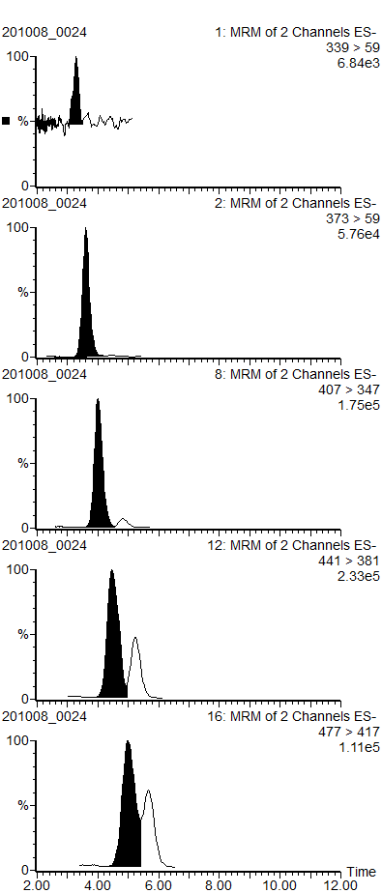
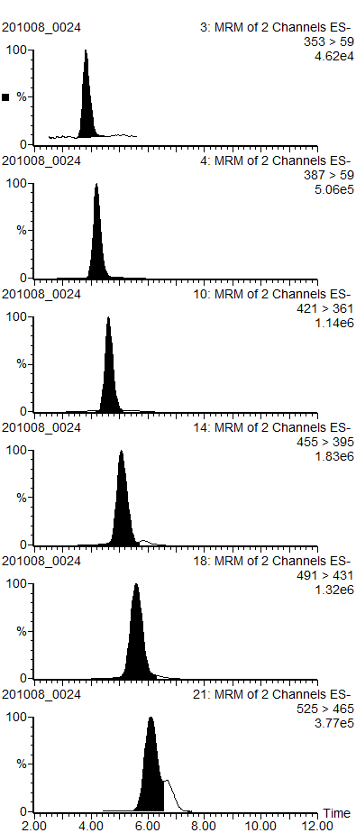
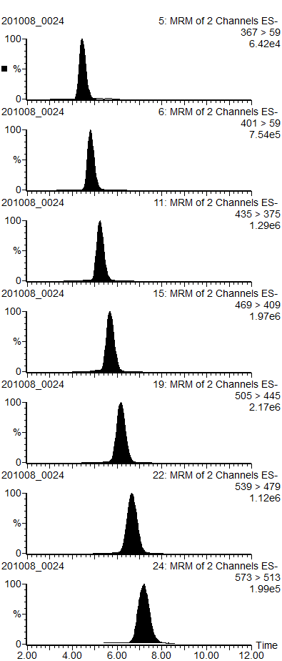
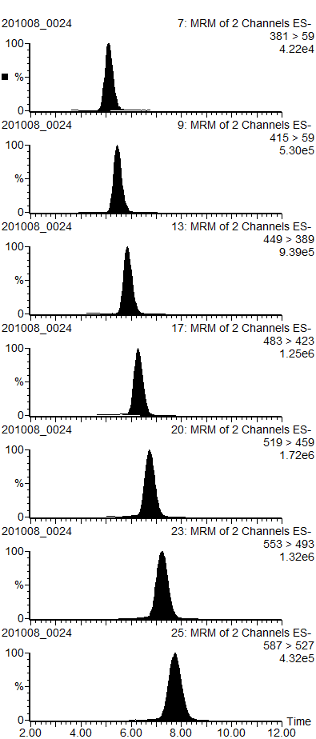

MCCP chromatogram
MCCPクロマトグラム

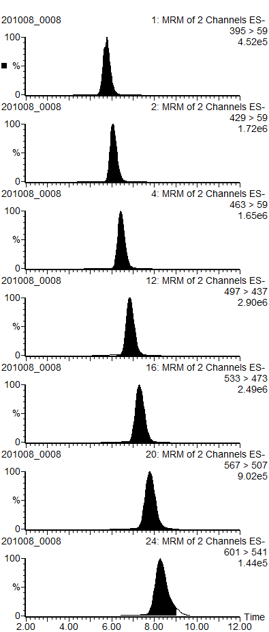
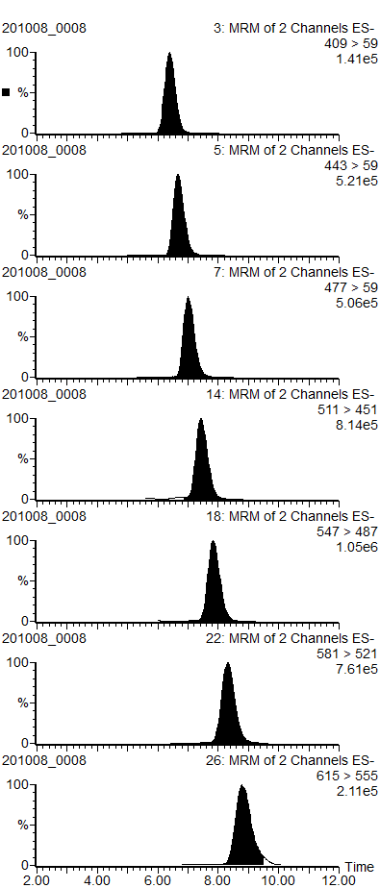
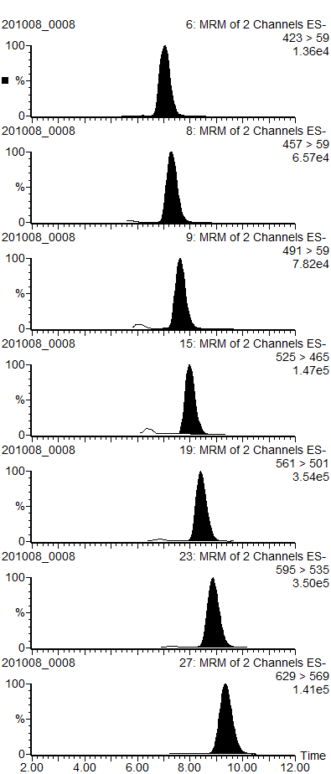
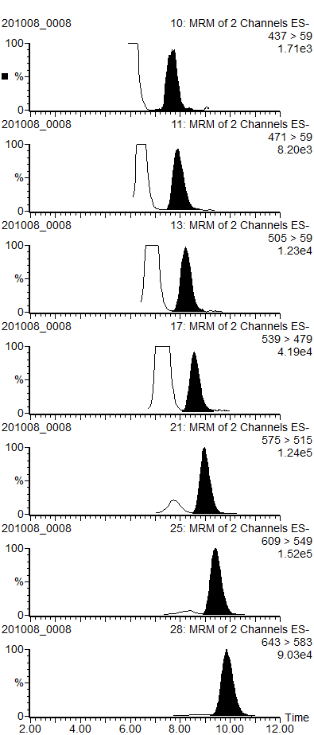

LCCP chromatogram
LCCPクロマトグラム

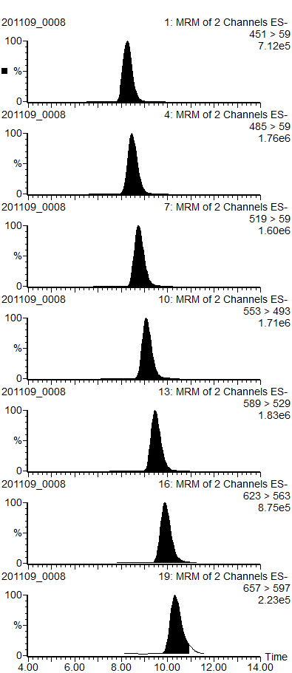
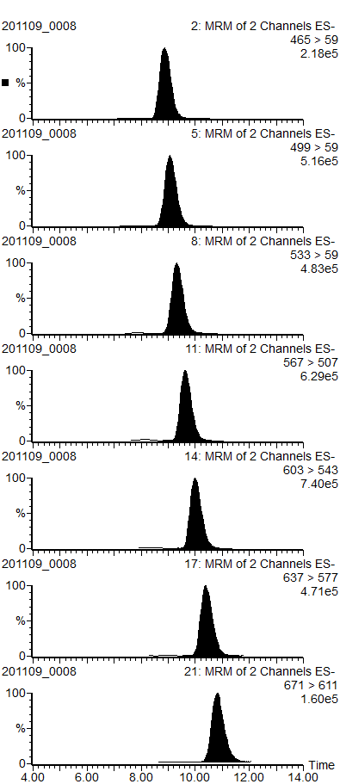
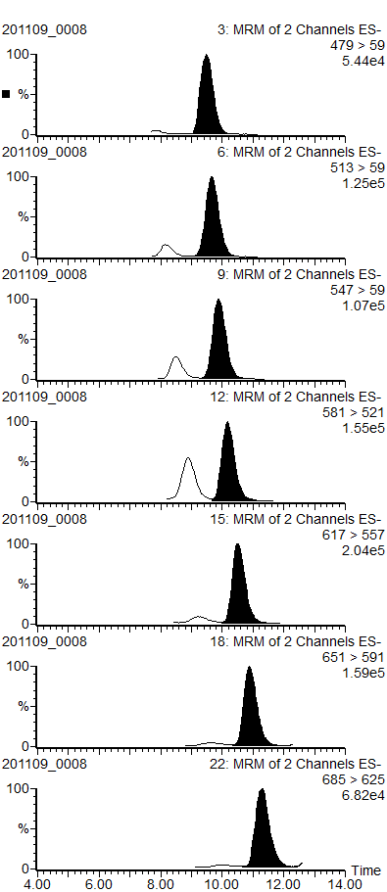

LC-TOF method
...
UHPLC system | Agilent 1290 Infinity LC system
Mobile phase B: | 5 mM CH3COONH4 in methanol
Flow Rate | 0.4 mL/min
Injection volume | 5 uL

Gradient parameter
Time (min) | %B | Flow rate (mL/min)
0 | 45 | 0.4
12 | 75 | 0.4 | 2.50
22 | 90 | 0.4 | 1.50
32 | 99 | 0.4 | 0.90
Gradient
35 | 99 | 0.4
35.1 | 45 | 0.4
40 | 45 | 0.4

QTOF system | Agilent 6530 True High Definition Q-TOF mass spectrometer
Ionization | Agilent Jet Stream ESI negative mode
Gas Temp. | 250 °C
Drying gas | 10 L/min
Nebulizer | 50 psig
Sheath gas Temp. | 250 °C
Sheath gas flow | 6 L/min
VCap | 3000 V
Nozzle voltage | 50 V
Fragmentor | 100 V
Skimmer | 65 V
OCT 1 RF Vpp | 750 V
Mass range | m/z 150 to 1600
Acquisition time | 1 spectra/s

塩素同位体パターン
 | 塩素同位体パターン

4Cl
 | 4Cl
M | 0.29668235935
M+1 | 0.033801425446
M+2 | 0.38126153009
M+3 | 0.043287599423
M+4 | 0.18427976653
M+5 | 0.020807080859
M+6 | 0.039880238314
M+7 | 0
M+8 | 0
M+9 | 0
M+10 | 0
M+11 | 0
M+12 | 0
 | 5Cl
M | 0.22548108021
M+1 | 0.025610446313
M+2 | 0.36171976067
M+3 | 0.040992884864
M+4 | 0.2326568564
M+5 | 0.026257276843
M+6 | 0.075062661708
M+7 | 0
M+8 | 0.012219032988
M+9 | 0
M+10 | 0
M+11 | 0
M+12 | 0
 | 6Cl
M | 0.17021876637
M+1 | 0.019318319165
M+2 | 0.32764594497
M+3 | 0.037095604528
M+4 | 0.26308367914
M+5 | 0.029692599009
M+6 | 0.11290842432
M+7 | 0.012680794489
M+8 | 0.027355868015
M+9 | 0
M+10 | 0
M+11 | 0
M+12 | 0
 | 7Cl
M | 0.13029415355
M+1 | 0.014768704992
M+2 | 0.29242442736
M+3 | 0.033077016966
M+4 | 0.28143944017
M+5 | 0.03175474999
M+6 | 0.15073843525
M+7 | 0.01694535986
M+8 | 0.048557711868
M+9 | 0
M+10 | 0
M+11 | 0
M+12 | 0

 | 8Cl
M | 0.09842531661
M+1 | 0.011143445241
M+2 | 0.25237520659
M+3 | 0.02851261876
M+4 | 0.28330105553
M+5 | 0.0319398112
M+6 | 0.1819048295
M+7 | 0.020451618791
M+8 | 0.073096539347
M+9 | 0
M+10 | 0.018849558419
M+11 | 0
M+12 | 0
 | 9Cl
M | 0.068190816523
M+1 | 0.013938661767
M+2 | 0.19765895455
M+3 | 0.040201821264
M+4 | 0.25491609393
M+5 | 0.051551729389
M+6 | 0.19227840776
M+7 | 0.038587657229
M+8 | 0.09357075419
M+9 | 0.018588266347
M+10 | 0.030516837051
M+11 | 0
M+12 | 0
 | 10Cl
M | 0.051644192819
M+1 | 0.010552055114
M+2 | 0.16619486805
M+3 | 0.033797014986
M+4 | 0.24097241246
M+5 | 0.048742377662
M+6 | 0.20738846782
M+7 | 0.041680617701
M+8 | 0.11739161315
M+9 | 0.023407299181
M+10 | 0.045769539058
M+11 | 0
M+12 | 0.012459542
11Cl
 | 11Cl
M | 0.043143423284
M+1 | 0
M+2 | 0.15198251384
M+3 | 0.017138888321
M+4 | 0.24349886626
M+5 | 0.027414050211
M+6 | 0.23420423672
M+7 | 0.026321165199
M+8 | 0.15024615447
M+9 | 0.016842685842
M+10 | 0.067513737667
M+11 | 0
M+12 | 0.021694278185

12Cl
 | 12Cl
M | 0.032293611681
M+1 | 0
M+2 | 0.12417480384
M+3 | 0.015386656055
M+4 | 0.21886191803
M+5 | 0.027089901742
M+6 | 0.23386084667
M+7 | 0.028895895191
M+8 | 0.16876345567
M+9 | 0.020804636404
M+10 | 0.086697888926
M+11 | 0.010662503699
M+12 | 0.03250788209
13Cl
 | 13Cl
M | 0.02444027543
M+1 | 0
M+2 | 0.10182245495
M+3 | 0.013771492187
M+4 | 0.19585205954
M+5 | 0.026429720035
M+6 | 0.23028079001
M+7 | 0.031016781429
M+8 | 0.18471941615
M+9 | 0.024821671546
M+10 | 0.10679091246
M+11 | 0.014307508349
M+12 | 0.045746917907
M+13 | 0
M+14 | 0.014719828475
14Cl
 | 14Cl
M | 0.018591950115
M+1 | 0
M+2 | 0.083407443058
M+3 | 0.012220257588
M+4 | 0.17378294395
M+5 | 0.025413532261
M+6 | 0.22295692568
M+7 | 0.032528065789
M+8 | 0.19680055242
M+9 | 0.028635997447
M+10 | 0.1263875956
M+11 | 0.018340848931
M+12 | 0.060933887151
M+13 | 0
M+14 | 0.022410780611

 | M | M+1 | M+2 | M+3 | M+4 | M+5 | M+6 | M+7 | M+8 | M+9 | M+10 | M+11 | M+12 | M+13 | M+14
4Cl | 2943000000000 | 335300000000 | 3782000000000 | 429400000000 | 1828000000000 | 206400000000 | 395600000000
5Cl | 2231000000000 | 253400000000 | 3579000000000 | 405600000000 | 2302000000000 | 259800000000 | 742700000000 |  | 120900000000
6Cl | 1690000000000 | 191800000000 | 3253000000000 | 368300000000 | 2612000000000 | 294800000000 | 1121000000000 | 125900000000 | 271600000000
7Cl | 1281000000000 | 145200000000 | 2875000000000 | 325200000000 | 2767000000000 | 312200000000 | 1482000000000 | 166600000000 | 477400000000
8Cl | 970700000000 | 109900000000 | 2489000000000 | 281200000000 | 2794000000000 | 315000000000 | 1794000000000 | 201700000000 | 720900000000 |  | 185900000000
9Cl | 671700000000 | 137300000000 | 1947000000000 | 396000000000 | 2511000000000 | 507800000000 | 1894000000000 | 380100000000 | 921700000000 | 183100000000 | 300600000000
10Cl | 509000000000 | 104000000000 | 1638000000000 | 333100000000 | 2375000000000 | 480400000000 | 2044000000000 | 410800000000 | 1157000000000 | 230700000000 | 451100000000 |  | 122800000000
11Cl | 422400000000 |  | 1488000000000 | 167800000000 | 2384000000000 | 268400000000 | 2293000000000 | 257700000000 | 1471000000000 | 164900000000 | 661000000000 |  | 212400000000
...

